Full Data
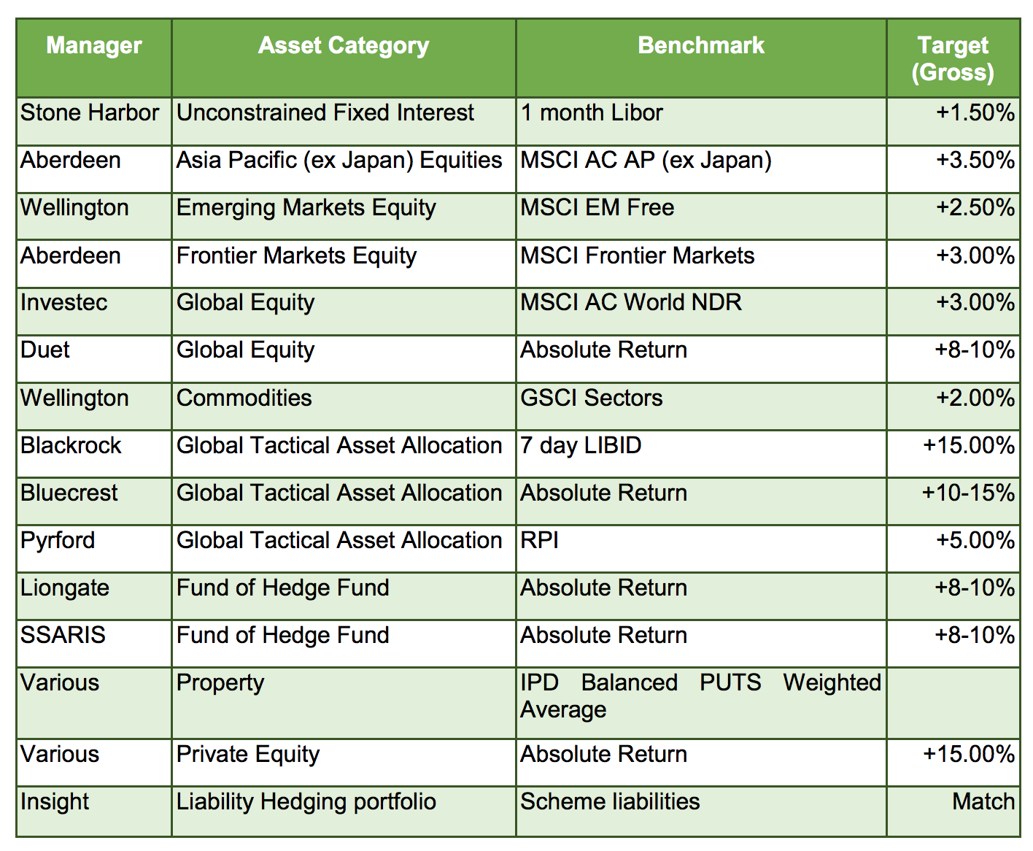
Name of Local Authority Pension Fund | Description of holding - equity, gilts, government bonds, non govt bonds etc | Sub-category/ Classification | Number of bonds/ shares | Fund manager | Amount
Clywd Pension Fund
Clywd Pension Fund
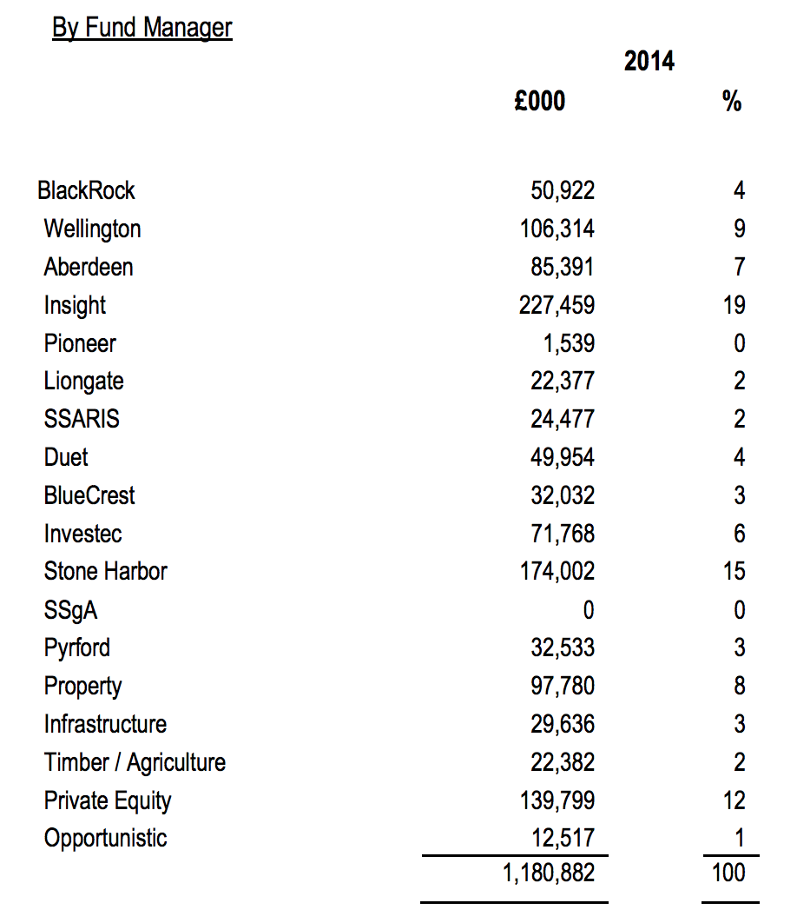
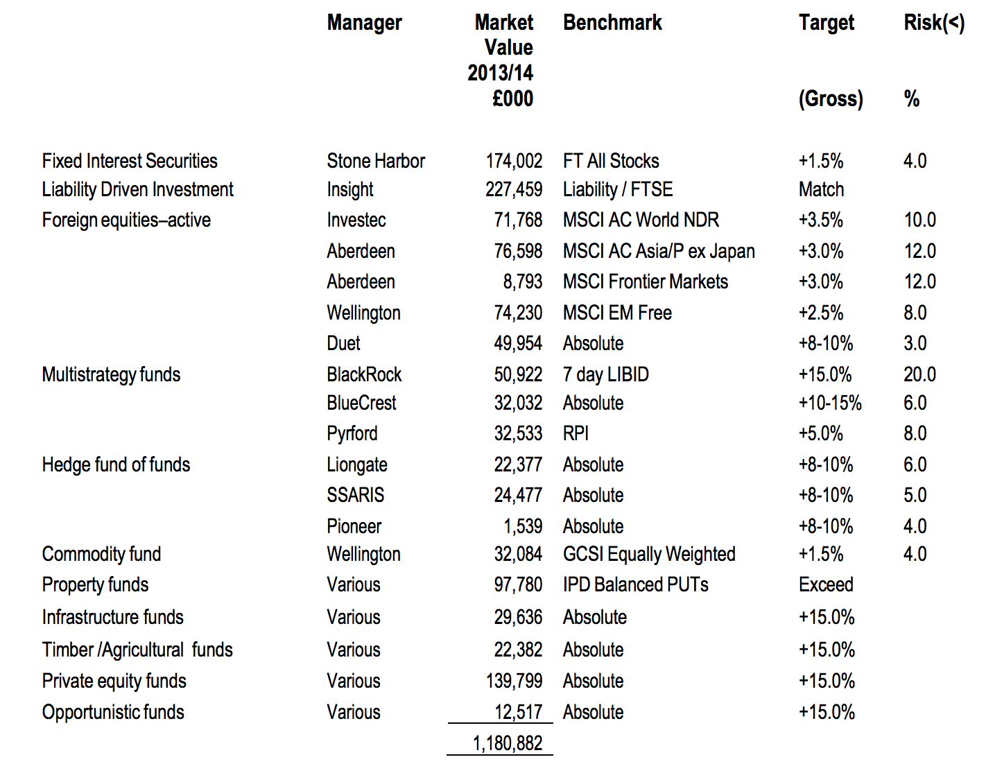
Clywd Pension Fund
Clywd Pension Fund
Clywd Pension Fund
Clywd Pension Fund
Clywd Pension Fund
Clywd Pension Fund
Clywd Pension Fund
Clywd Pension Fund
Clywd Pension Fund
Clywd Pension Fund

